E3 Ligase Chi Square
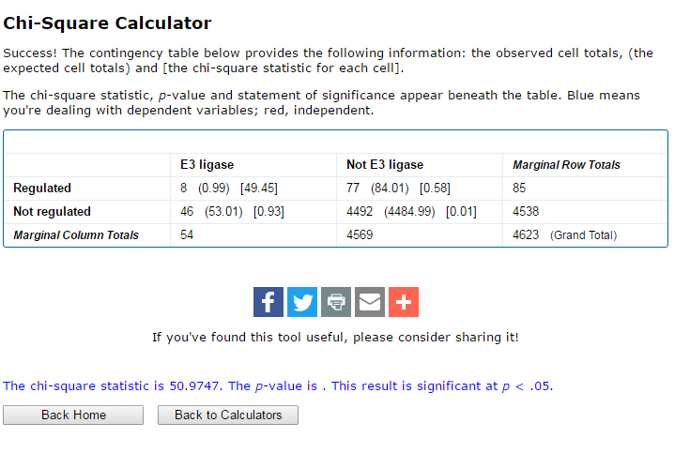
 |  |  |  |  |  | NOTE: The Fisher P-value appears to be a one-sided p-value a la what Christy had calculated.
Note: that this sheet only has gene symbols for which at least two different/distinct peptides were identified.
Gene Symbol | Distinct Peptides | Annotation | Control Spectral Count | dDAVP Spectral Count | dDAVP : Control Ratio | P (Fisher Exact) | E3 Ligase?
Rnf213 | 53 | E3 ubiquitin-protein ligase RNF213 | 51 | 13 | 0.25 | 0.0000 | RING
Ubr4 | 144 | E3 ubiquitin-protein ligase UBR4 | 139 | 71 | 0.51 | 0.0000 | UBR
Herc1 | 19 | E3 ubiquitin-protein ligase HERC1 | 19 | 3 | 0.16 | 0.0006 | HECTc
Trim25 | 16 | E3 ubiquitin/ISG15 ligase TRIM25 | 4 | 15 | 3.75 | 0.0079 | RING
Herc2 | 12 | E3 ubiquitin-protein ligase HERC2 | 12 | 3 | 0.25 | 0.0204 | HECTc
Rnf31 | 5 | E3 ubiquitin-protein ligase RNF31 | 0 | 5 | N/A | 0.0288 | RING
Mycbp2 | 16 | E3 ubiquitin-protein ligase MYCBP2 | 15 | 7 | 0.47 | 0.0773 | RING
Ube3c | 7 | ubiquitin-protein ligase E3C | 2 | 7 | 3.50 | 0.0821 | HECTc
Ube3a | 13 | ubiquitin-protein ligase E3A | 7 | 13 | 1.86 | 0.1166 | HECTc
Trim3 | 6 | tripartite motif-containing protein 3 | 5 | 2 | 0.40 | 0.2400 | RING
Vps41 | 6 | vacuolar protein sorting-associated protein 41 homolog | 5 | 2 | 0.40 | 0.2400 | RING
Hecw2 | 2 | E3 ubiquitin-protein ligase HECW2 | 0 | 2 | N/A | 0.2420 | HECTc
Wwp2 | 2 | NEDD4-like E3 ubiquitin-protein ligase WWP2 | 0 | 2 | N/A | 0.2420 | HECTc
Rbbp6 | 2 | E3 ubiquitin-protein ligase RBBP6 | 0 | 2 | N/A | 0.2420 | RING
Ube4a | 10 | ubiquitin conjugation factor E4 A | 10 | 6 | 0.60 | 0.2475 | RING
Ubr5 | 2 | E3 ubiquitin-protein ligase UBR5 | 2 | 0 | 0.00 | 0.2581 | HECTc
Aff4 | 2 | AF4/FMR2 family member 4 | 2 | 0 | 0.00 | 0.2581 | UBOX
Nosip | 2 | nitric oxide synthase-interacting protein | 2 | 0 | 0.00 | 0.2581 | UBOX
Ubr1 | 3 | E3 ubiquitin-protein ligase UBR1 | 3 | 1 | 0.33 | 0.3247 | UBR
Irf2bpl | 6 | interferon regulatory factor 2-binding protein-like | 5 | 3 | 0.60 | 0.3811 | RING
Syvn1 | 6 | E3 ubiquitin-protein ligase synoviolin | 5 | 3 | 0.60 | 0.3811 | RING
Pml | 11 | protein PML | 9 | 11 | 1.22 | 0.3837 | RING
Vps8 | 8 | vacuolar protein sorting-associated protein 8 homolog | 7 | 5 | 0.71 | 0.4092 | RING
Stub1 | 9 | STIP1 homology and U box-containing protein 1 | 8 | 6 | 0.75 | 0.4191 | UBOX
Itch | 11 | E3 ubiquitin-protein ligase Itchy | 11 | 9 | 0.82 | 0.4406 | HECTc
Nedd4 | 19 | E3 ubiquitin-protein ligase NEDD4 | 16 | 17 | 1.06 | 0.4627 | HECTc
Nedd4l | 15 | E3 ubiquitin-protein ligase NEDD4-like | 12 | 13 | 1.08 | 0.4675 | HECTc
Trim28 | 10 | transcription intermediary factor 1-beta | 9 | 10 | 1.11 | 0.4715 | RING
Ube4b | 8 | ubiquitin conjugation factor E4 B | 6 | 7 | 1.17 | 0.4763 | RING
Rnf20 | 7 | E3 ubiquitin-protein ligase BRE1A | 4 | 5 | 1.25 | 0.4801 | RING
Ltn1 | 4 | E3 ubiquitin-protein ligase listerin | 2 | 3 | 1.50 | 0.4848 | RING
Cbl | 3 | E3 ubiquitin-protein ligase CBL | 1 | 2 | 2.00 | 0.4879 | RING
Kcmf1 | 2 | E3 ubiquitin-protein ligase KCMF1 | 1 | 2 | 2.00 | 0.4879 | RING
Trim21 | 2 | E3 ubiquitin-protein ligase TRIM21 | 1 | 2 | 2.00 | 0.4879 | RING
Znrf2 | 2 | E3 ubiquitin-protein ligase ZNRF2 | 1 | 2 | 2.00 | 0.4879 | RING
Wwp1 | 2 | NEDD4-like E3 ubiquitin-protein ligase WWP1 | 2 | 1 | 0.50 | 0.5121 | HECTc
Dtx3l | 3 | E3 ubiquitin-protein ligase DTX3L | 2 | 1 | 0.50 | 0.5121 | RING
Maea | 2 | macrophage erythroblast attacher | 2 | 1 | 0.50 | 0.5121 | RING
Rbx1 | 2 | E3 ubiquitin-protein ligase RBX1 | 2 | 1 | 0.50 | 0.5121 | RING
Rnf121 | 2 | RING finger protein 121 | 2 | 1 | 0.50 | 0.5121 | RING
Ttc3 | 3 | E3 ubiquitin-protein ligase TTC3 | 2 | 1 | 0.50 | 0.5121 | RING
Vps11 | 4 | vacuolar protein sorting-associated protein 11 homolog | 4 | 3 | 0.75 | 0.5177 | RING
March5 | 13 | #N/A | 11 | 10 | 0.91 | 0.5299 | RING
Prpf19 | 12 | pre-mRNA-processing factor 19 | 10 | 10 | 1.00 | 0.6163 | UBOX
Vps18 | 9 | vacuolar protein sorting-associated protein 18 homolog | 7 | 7 | 1.00 | 0.6282 | RING
Herc4 | 7 | E3 ubiquitin-protein ligase HERC4 | 5 | 5 | 1.00 | 0.6428 | HECTc
Rnf170 | 4 | E3 ubiquitin-protein ligase RNF170 | 4 | 4 | 1.00 | 0.6543 | RING
Rnf40 | 5 | E3 ubiquitin-protein ligase BRE1B | 4 | 4 | 1.00 | 0.6543 | RING
Zfpl1 | 4 | zinc finger protein-like 1 | 3 | 3 | 1.00 | 0.6713 | RING
Hectd1 | 3 | E3 ubiquitin-protein ligase HECTD1 | 2 | 2 | 1.00 | 0.6995 | HECTc
Arih1 | 3 | E3 ubiquitin-protein ligase ARIH1 | 2 | 2 | 1.00 | 0.6995 | RING
Rmnd5a | 4 | protein RMD5 homolog A | 2 | 2 | 1.00 | 0.6995 | RING
Rnf146 | 2 | E3 ubiquitin-protein ligase RNF146 | 2 | 2 | 1.00 | 0.6995 | RING
Ppil2 | 2 | peptidyl-prolyl cis-trans isomerase-like 2 | 1 | 1 | 1.00 | 0.7580 | UBOX
 |  |  |  | 315
 |  | Chi square
 |  |  | E3 ligase | Not E3 ligase
 |  | regulated | 8 | 77
 |  | Not regulated | 46 | 4492

